MRC Contracted Rate
 |  |  | Renewal within 12 months
 |  |  | Needs updated contract
 |  |  | Mad to Glad
Tier | Customer Code | Customer Name | Contract Expiration | Account Manager | MRR | Current IT-Services MRC | Proposed IT-Services | MRC Difference | Alignment report completion date | Strategy Review | Strategy Road Map | Budget Creation | Notes
1 | AVL | Avalon Transportation | 2030-08-01 | Julia Haywood | $70,000.00 | $24,200 | $34,275 | $10,075 | Submitted | Completed | Completed | 2025-12-15
1 | COJK | Christensen, O'Connor, Johnson, Kindness | 2027-06-16 | Chelsea Gill | $30,561.00 | $12,705 | $17,485 | $4,780 | Submitted | Completed | Completed | 2025-12-15
1 | COV | City of Covina | 2028-07-31 | Andrew Block | $18,000.00 | $18,500 | $20,250 | $1,750 | Submitted | Completed | Completed | 2025-12-15
1 | CDP | City of Dana Point |  | Chelsea Gill | $19,300.00 | $19,300 | $17,225 | -$2,075 | Submitted | Completed | Completed | 2025-12-15
1 | COG | City of Goleta | 2027-06-30 | Chelsea Gill | $26,500.00 | $27,295 | $28,745 | $1,450 | Submitted | Completed | Completed | 2025-12-15
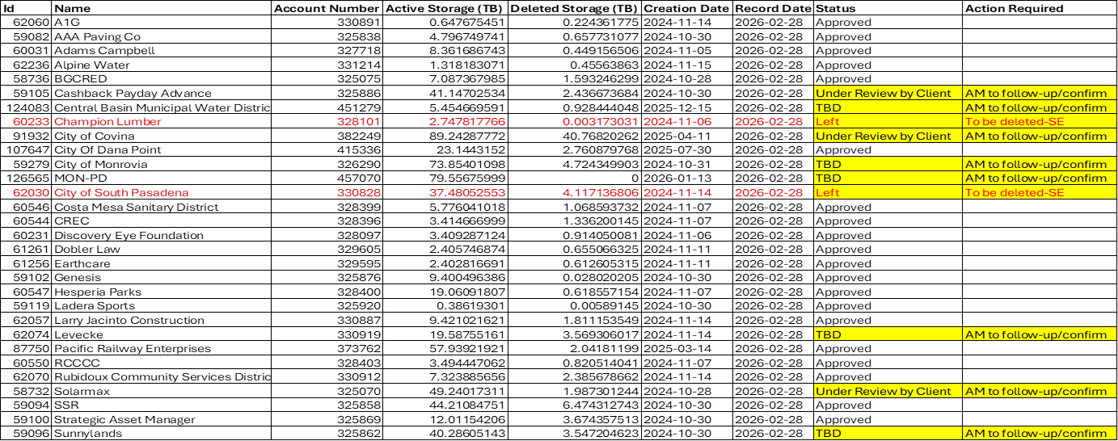
1 | COD | City of Duvall | 2026-02-21 | Andrew Block | $21,121.00 | $21,121 | $25,115 | $3,994 | Submitted | Completed | Completed | 2025-12-15
1 | COI | City of Industry | 2026-10-31 | Andrew Block | $22,800.00 | $23,405 | $21,765 | -$1,640 | Submitted | Completed | Completed | 2025-12-15
1 | MON-PD | City of Monrovia Police Dept |  | Andrew Block |  | $11,144 | $12,275 | $1,131 | Submitted | Completed | Completed | 2025-12-15
1 | MON | City of Monrovia | 2030-06-30 | Andrew Block | $36,156.00 | $35,541 | $46,205 | $10,664 | Submitted | Completed | Completed | 2025-12-15
1 | RPV | City of Ranchos Palos Verdes | 2027-06-21 | Andrew Block | $14,986.00 | $15,436 | $26,125 | $10,689 | Submitted | Completed | Completed | 2025-12-15
1 | CSF | City of San Fernando | 2026-10-31 | Andrew Block | $17,154.00 | $15,558 | $31,630 | $16,072 | Submitted | Completed | Completed | 2025-12-15
1 | SPAS, SPAS PD | City of South Pasadena & Police Department | 2025-12-31 | Chelsea Gill | $25,534.00 |  |  | $0 | 11/31/25 |  |  | 2025-12-15 | Needs CJIS access to complete alignment and stratergy road map, Chelsea to work with Ryan
1 | DWA | Desert Water Agency | 2024-08-26 | Chelsea Gill | $9,120.00 | $9,120 | $10,940 | $1,820 | Submitted |  |  | 2025-12-15
1 | SAM | SmartStop Asset Management | 2027-08-31 | Andrew Block | $4,720.00 | $4,721 | $10,020 | $5,299 | Submitted | Completed | Completed | 2025-12-15
1 | SSPM | SmartStop Property Management | 2027-08-31 | Julia Haywood | $35,030.00 |  |  | $0 | Budget Reviewed Already | Budget Reviewed Already | Budget Reviewed Already | 2025-12-15
1 | SSR | SmartStop REIT | 2027-08-31 | Julia Haywood | $38,860.00 | $19,120 | $23,360 | $4,240 | Submitted | Completed | Completed | 2025-12-15
1 | SUNNY | Sunnylands | 2026-06-30 | Chelsea Gill | $16,000.00 | $16,959 | $18,235 | $1,276 | Submitted | Completed | Completed | 2025-12-15
2 | ACC | Adams Campbell Construction | 2027-02-01 | Chelsea Gill | $4,659.00 |  |  | $0 | 11/31/25 |  |  | 2025-12-15 | Currently doing a complete refresh
2 | AL | Adhoc Labs | 2026-05-15 | Julia Haywood | $4,714.75 | $4,715 | $0 | $0 | Submitted | Completed | Completed | 2025-12-15
2 | BAG | Baghouse | 2026-07-01 | Andrew Block | $5,700.00 | $5,700 | $9,400 | $3,700 | Submitted | Completed | Completed | 2025-12-15

2 | BGCRED | Boys and Girls Club of Redlands | 2026-06-30 | Julia Haywood | $4,314.00 | $6,500 | $6,500 | $0 | Submitted | Completed | Completed | 2025-12-15
2 | CASH | Cashback | Month To Month | Shaun Alfonso | $3,999.00 | $2,999 | $11,675 | $8,676 | Submitted | Completed | Completed | 2025-12-15
2 | CBMWD | Central Basin Municipal Water District | 2029-12-31 | Julia Haywood | $7,000.00 | $7,119 | $9,504 | $2,385 | Submitted | Completed | Completed | 2025-12-15
2 | CMSD | Costa Mesa Sanitary District | 2026-06-30 | Chelsea Gill | $5,730.00 | $4,490 | $10,975 | $6,485 | Submitted | Completed | Completed | 2025-12-15
2 | HESP | Hesperia Recreation and Park District | 2024-01-12 | Chelsea Gill | $3,967.00 | $3,967 | $6,250 | $2,283 | Submitted | Completed | Completed | 2025-12-15
2 | LEV | LeVecke Corporation | 2027-12-31 | Chelsea Gill | $4,905.00 | $4,905 | $8,050 | $3,145 | Submitted | Completed | Completed | 2025-12-15
2 | PRE | Pacific Railway Enterprises, Inc. | 2026-06-04 | Chelsea Gill | $8,370.00 | $7,860 | $8,295 | $435 | Submitted | Completed | Completed | 2025-12-15
2 | RW | RecycleWise | Month To Month | Andrew Block | $2,800.00 | $2,800 | $4,525 | $1,725 | Submitted | Completed | Completed | 2025-12-15
2 | RUBI | Rubidoux Community Services District | month to month | Julia Haywood | $4,120.00 | $4,120 | $6,100 | $1,980 | Submitted | Completed | Completed | 2025-12-15
2 | SCCCN | Superior Court of California Nevada | 2026-04-01 | Shaun Alfonso | $3,465.00 |  |  | $0 | 11/31/25 | - |  | 2025-12-15 | Account is not updated on Datto
2 | SOLAR | SolarMax | 2027-02-28 | Julia Haywood | $6,650.00 | $6,650 | $7,300 | $650 | Submitted | Completed | Completed | 2025-12-15
2 | TE | TruEvolution | 2028-03-01 | Chelsea Gill | $4,577.50 | $4,577 | $3,690 | -$887 | Submitted | Completed | Completed | 2025-12-15
3 | AAA | AAA Paving Co. | 2027-02-28 | Shaun Alfonso | $2,100.00 | $2,100 | $3,325 | $1,225 | Submitted | Completed | Completed | 2025-12-15
3 | A1G | A1 Grit | 2023-01-10 | Shaun Alfonso | $450.00 | $450 | $775 | $325 | Submitted | Completed | Completed | 2025-12-15
3 | BEAU | Beaumont Cherry Valley Recreation & Park District | 2024-09-28 | Andrew Block | $3,527.00 | $2,810 | $3,775 | $965 | Submitted | Completed | Completed | 2025-12-15
3 | ALP | Alpine Water Users Association | 2027-01-01 | Shaun Alfonso | $950.00 | $960 | $1,535 | $575 | Submitted | Completed | Completed | 2025-12-15
3 | CEO | CEO Strategic Solutions | Month to Month | Shaun Alfonso | $150.00 | $150 | $850 | $700 | Submitted | Completed | Completed | 2025-12-15
3 | CREC | Continental Recycling | 2027-03-31 | Shaun Alfonso | $2,562.00 | $2,562 | $3,150 | $588 | Submitted | Completed | Completed | 2025-12-15
3 | DEF | Discovery Eye Foundation | 2027-02-28 | Shaun Alfonso | $1,000.00 | $1,000 | $1,825 | $825 | Submitted | Completed | Completed | 2025-12-15

3 | DOB | Dobler Law Group | 2025-07-01 | Shaun Alfonso | $808.00 | $800 | $1,800 | $1,000 | Submitted | Completed | Offboarding Phase | 2025-12-15
3 | EARTH | EarthCare | Month To Month | Shaun Alfonso | $1,015.00 | $1,015 | $2,100 | $1,085 | Submitted | Completed | Completed | 2025-12-15
3 | GEN | Genesis Supreme & PCW | 2028-05-30 | Shaun Alfonso | $3,000.00 | $2,550 | $4,060 | $1,510 | Submitted | Completed | Completed | 2025-12-15
3 | IEWBC | Indland Empire Women's Business Consortium | Month To Month | Shaun Alfonso | $602.00 | $602 | $1,810 | $1,208 | Submitted | Completed | Completed | 2025-12-15
3 | LSC | Ladera Sports Center |  |  | $337.00 |  |  | $0 | 11/31/25 |  |  | 2025-12-15
3 | LJC | Larry Jacinto Construction | 2026-12-31 | Julia Haywood | $2,100.00 | $2,100 | $4,185 | $2,085 | Submitted | Completed | Completed | 2025-12-15
3 | LTR | Lift to Rise | 2025-04-01 | Shaun Alfonso | $1,465.00 | $1,465 | $2,470 | $1,005 | Submitted | Completed | Completed | 2025-12-15
3 | LLU | Loma Linda University | 2028-05-31 | Julia Haywood | $1,960.00 | $2,025 | $1,825 | -$200 | Submitted | Completed | Completed | 2025-12-15
3 | Mentone | Mentone Beach RV | Month To Month | Julia Haywood | $75.00 | $70 | $350 | $280 | Submitted |  |  | 2025-12-15
3 | OGP | Open Gym Partner | 2027-05-31 | Andrew Block | $950.00 | $950.00 | $950.00 | $0 | Submitted | Completed | Completed | 2025-12-15
3 | RCCCC | Riverside County Childcare Consortium | 2028-02-28 | Shaun Alfonso | $1,881.75 | $1,882 | $3,170 | $1,288 | Submitted | Completed | Completed | 2025-12-15
3 | IBC | Industry Business Council | 2028-07-31 | Andrew Block | $1,700.00 | $1,385 | $1,125 | -$260 | Submitted | Completed | Completed | 2025-12-15
 |  |  |  | Totals: | $507,446 | $365,403 | $474,994 | $114,306
 |  |  |  |  |  |  | Goal | $22,861.1
 |  |  |  |  |  |  |  |  |  |  |  | 2025-12-15

